Лист1
1 | Status | New | 2 | Status | New | 3 | Status | New
 | Summary (Resume) | The name Home is not in the centre under the line |  | Summary (Resume) | The photos on the page Stylists are links |  | Summary (Resume) | Names on the carrousel are sizes of the pictuare
 | Description | The name Home from Body is not on the centre under the line |  | Description | The photos of Stylist are links to new webpage |  | Description | Names of the pictures in Products on the bottom of page Services have incorrect names when you move mouse on that pictures
 | Priority | High |  | Priority | High |  | Priority | High
 | Severity | Low |  | Severity | High |  | Severity | High
 | Environment | Producion |  | Environment | Production |  | Environment | Production
 | Pre-condition | user is on the https://www.headhunterhairstyling.com/ page |  | Pre-condition | User is on the page https://www.headhunterhairstyling.com/stylists |  | Pre-condition | User is on the page https://www.headhunterhairstyling.com/services
 | STR | 1. Look on the top of the page 2. Compare the Line and name Homw under the line |  | STR | 1. Find Photo of Stylist 2. Click on it 3. Check all photos |  | STR | 1. Find Carrousel in the bottom of the page 2. Move your mouse to the pictures in this Carrousel 3. Check all eight pictures
 | Expected result | Name Home should be in the middle of the Line above it |  | Expected result | Nothing should change |  | Expected result | Should be No name
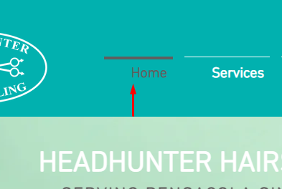

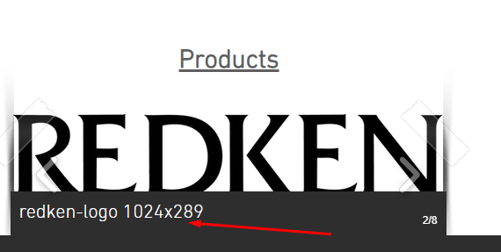
 | Actual result | Name Home is not in the middle of the Line above it |  | Actual result | Opening new page https://www.wix.com/ |  | Actual result | There are incorrecct names of each picture in the Carrousel
 | Additional info |  |  | Additional info |  |  | Additional info

